Sheet1
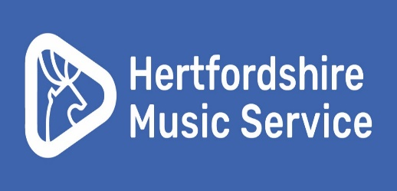

 | Your school recently told HMS that you will provide music subsidies for at least one of your pupils who will have instrumental lessons with HMS between September 2025 and July 2026. Please complete the information below for each pupil that you wish to provide a subsidy to and return it to HMSBursary@hertfordshire.gov.uk - information required by 1st May 2025

 | Please complete the information below for each pupil that you wish to provide a subsidy to and return it to HMSBursary@hertfordshire.gov.uk - information required by 1st May 2025
Table of charges from September 2025

Lesson type | Duration | Cost per lesson | Cost per term |  | Subsidy amount per lesson calculator
Individual | 20 minutes | £17.32 | £190.52 |  | Please select the lesson type in the blue box and select the %, from the dropdown menu, you would like to give. The calculated per lesson amount will be displayed in the green box.
Individual | 30 minutes | £25.98 | £285.78
Shared (two pupils) | 30 minutes | £12.99 | £142.89
Small group (three to six pupils) | 30 minutes | £8.66 | £95.26 |  | Select lesson type | Select subsidy discount | School subsidy amount per lesson
 |  |  |  |  | Shared (two pupils) 30 minutes | 66.00% | £0.00

Your name |  |  |  |  | Notes to HMS:

School name (please select from dropdown menu)

School number

School email address

Prefered email address for subsidy communication

IMPORTANT INFORMATION

By completing this form your school is confirming that they will subsidise the named pupils up to the subsidy end date notified.
Hertfordshire Music Service require any change to subsidy information to be notified by half term. Changes can only be implemented at the beginning of the next term.

Please only include pupils that your school will be funding. Your school will be invoiced the percentage of fees indicated on this form. DO NOT INCLUDE pupils that you do not wish to be invoiced for.

Hertfordshire Music Service are only able to accommodate the following percentage subsidies. 100%, 75%, 66%, 50%, 33% and 25%

If your school is subsidising a lesson at one of our music centres, please indicate the music centre on the table below. If you do not select a music centre we will assume that the funding is for a lesson in your school.

Hertfordshire music service invoice for 33 lessons over the academic year. This is usually split into 12 lessons in the autumn term and 10 or 11 lessons in the spring and summer terms, as the total lessons scheduled changes due to Easter.

Any amendments required after the original form has been completed must be highlighted to ensure that Hertfordshire Music Service are able to identify any new pupils added or amendments to exisiting pupils

Pupil name | Instrument | Lesson type | 100% subsidy (Y/N) | If not 100%, please indicate % from drop down menu | Subsidy end date | Lesson location if subsidy is for a music centre

